1. Title Page
Marketing and Sales Analysis

Project Name: IC Marketing and Sales Analysis
Date: July -August 2023
Analyst Name: Dieu Thuy Trinh

Contents: | Data citation
Population Flow | “The Instacart Online Grocery Shopping Dataset 2017”, Accessed from www.instacart.com/datasets/grocery-shopping-2017 via Kaggle on July 7th 2023.
Consistency checks | For the learning purpose of this project, all customer data and prices were artificially made up. Any similarities to exisisting people or places are coincidental.
Wrangling steps
Column derivations
Visualizations
Recommendations

2. Population Flow
Title page

Population flow

Exclusion flag
Condition: max_order < 5
Observations to be removed: low activity customers
Final total count of order_products_all: 30.964.564

Orders_products_combined
Orders_products_merged
Orders_products_all

Total: 32.434.489
Total: 32.404.859
Total: 32.404.859

1.) The grey boxes in the first row of the population flow represent the original data sets as they were when you downloaded them. In the Total fields you need to add the count of the rows when you imported the data set into Jupyter.
2.) The second row of boxes (coloured) represents the data sets after you manipulated them, e.g., removed missing values and duplicates. In the Total fields you need to add the count of the rows after conducting these operations. This offers a visual oveview of how the data flows throughout the data consistency checks.
3.) The third row, where also the arrows are coloured, represents the merges you performed between the datasets. In the Total fields you need to add the count of the rows in the merged datasets, so that you end up with the final dataset (in the red box). Keep in mind the final dataset should be without exclusions (based on the exclusion flag).

3. Consistency checks
 |  |  |  | Title page
Consistency checks

Dataset | Missing values | Missing values treatment | Duplicates
orders | days_since_prior_order(206209 rows) | left them as is | none

products | product_name (16 rows) | removed by creating filtered df | 5 rows; dropped duplicates by creating a new df

orders_products_prior | none | none | none

customers | none | none | none

4. Wrangling steps
 |  |  |  | Title page
Wrangling steps

Columns dropped | Columns renamed | Columns' type changed | Comment/Reason
eval_set |  |  | system label for entire data set, only 1 element

 | order_dow |  | changed to orders_day_of_week for clarity

 |  | orders_id, user_id | changed dtype from int to str

 | order_number |  | changed to amount_of_orders for clarity

busiest_day |  |  | derived from "order_days_of_week"; Instacart staff changed their mind, preferred "busiest_days"

 | Surnam |  | typo, changed to Surname

 | n_dependants |  | changed to number_of_dependents for clarity

 | STATE |  | changed to State for uniformity

5. Column derivations
 |  |  |  | Title page

Column derivations and aggregations

In this tab you should add tables below that the frequences of flags/label variables that you produced after deriving them. NB: don't do this for continuous variables, only for flags.
Dataset | New column | Column/s it was derived from | Conditions
orders_products_merged | price_range | prices | def price_label(row):

 |  |  | if row['prices'] <= 5:
 |  |  | return 'Low-range product'
 |  |  | elif (row['prices'] > 5) and (row['prices'] <= 15):
 |  |  | return 'Mid-range product'
 |  |  | elif row['prices'] > 15:
 |  |  | return 'High range'
 |  |  | else: return 'Not enough data'

orders_products_merged | busiest_days | orders_days_of_week | result_2 = []

 |  |  | for value in df["orders_day_of_week"]:
 |  |  | if value == 0 or value == 1:
 |  |  | result_2.append("Busiest days")
 |  |  | elif value == 3 or value == 4:
 |  |  | result_2.append("Least busy")
 |  |  | else:
 |  |  | result_2.append("Regularly busy")

orders_products_merged | busiest_period_of_day | order_hour_of_day | def busiest_period_of_day(row):

 |  |  | if (row['order_hour_of_day'] <= 5) and (row['order_hour_of_day'] >= 0):
 |  |  | return 'Fewest orders'
 |  |  | elif (row['order_hour_of_day'] <= 15) and (row['order_hour_of_day'] >= 10):
 |  |  | return 'Most orders'

orders_products_merged | loyalty_flag | max_order | ords_prods_merge.loc[ords_prods_merge["max_order"] > 40, "loyalty_flag"] = "Loyal customer"
 |  |  | ords_prods_merge.loc[(ords_prods_merge["max_order"] <= 40) & (ords_prods_merge ["max_order"] > 10), "loyalty_flag"] = "Regular customer"
 |  |  | ords_prods_merge.loc[ords_prods_merge["max_order"] <= 10, "loyalty_flag"] = "New customer"

orders_products_merged | spending_flag | average_spending | ords_prods_merge.loc[ords_prods_merge["average_spending"] < 10, "spending_flag"] = "Low spender"
 |  |  | ords_prods_merge.loc[ords_prods_merge["average_spending"] >= 10, "spending_flag"] = "High spender"

orders_products_merged | order_frequency | median_days_previous_order | ords_prods_merge.loc[ords_prods_merge["median_days_previous_order"] > 20, "order_frequency"] = "orders seldomly"
 |  |  | ords_prods_merge.loc[(ords_prods_merge["median_days_previous_order"] <= 20) &(ords_prods_merge["median_days_previous_order"] > 10),
 |  |  | "order_frequency"] = "orders sometimes"
 |  |  | ords_prods_merge.loc[ords_prods_merge["median_days_previous_order"] <= 10, "order_frequency"] = "orders frequently"

orders_customers_all | Region | State | northeast = ["Maine", "New Hampshire", "Vermont", "Massachusetts", "Rhode Island", "Connecticut", "New York", "Pennsylvania", "New Jersey"]
 |  |  | midwest = ["Wisconsin", "Michigan", "Illinois", "Indiana", "Ohio", "North Dakota", "South Dakota", "Nebraska", "Kansas",
 |  |  | "Minnesota", "Iowa", "Missouri"]
 |  |  | south = ["Delaware", "Maryland", "District of Columbia", "Virginia", "West Virginia", "North Carolina", "South Carolina",
 |  |  | "Georgia", "Florida", "Kentucky", "Tennessee", "Mississippi", "Alabama", "Oklahoma", "Texas", "Arkansas", "Louisiana"]
 |  |  | west = ["Idaho", "Montana", "Wyoming", "Nevada", "Utah", "Colorado", "Arizona", "New Mexico", "Alaska", "Washington", "Oregon",
 |  |  | "California", "Hawaii"]

 |  |  | df.loc[df["State"].isin(northeast), "Region"] = "Northeast"
 |  |  | df.loc[df["State"].isin(midwest), "Region"] = "Midwest"
 |  |  | df.loc[df["State"].isin(south), "Region"] = "South"
 |  |  | df.loc[df["State"].isin(west), "Region"] = "West"

order_products_all | order_activity | max_order | df.loc[df["max_order"] >= 5, "order_activity"] = "High activity"
 |  |  | df.loc[df["max_order"] < 5, "order_activity"] = "Low activity"

order_products_high | maturity | Age | df_new.loc[df_new["Age"] >= 60, "maturity"] = "Old age"
 |  |  | df_new.loc[(df_new["Age"] < 60) & (df_new["Age"] >= 35), "maturity"] = "Middle age"
 |  |  | df_new.loc[df_new["Age"] < 35, "maturity"] = "Young age"

order_products_high | has dependent | number_of_dependents | df_new.loc[df_new["number_of_dependents"] >= 1, "has dependent"] = "with dependent"
 |  |  | df_new.loc[df_new["number_of_dependents"] == 0, "has dependent"] = "without dependent"

order_products_high | profile agexdependent | Age, has dependent | df_new.loc[(df_new["maturity"] == "Old age") & (df_new["has dependent"] == "with dependent"),
 |  |  | "profile agexdependent"] = "Senior+1"
 |  |  | df_new.loc[(df_new["maturity"] == "Old age") & (df_new["has dependent"] == "without dependent"),
 |  |  | "profile agexdependent"] = "Senior"
 |  |  | df_new.loc[(df_new["maturity"] == "Middle age") & (df_new["has dependent"] == "with dependent"),
 |  |  | "profile agexdependent"] = "Adult+1"
 |  |  | df_new.loc[(df_new["maturity"] == "Middle age") & (df_new["has dependent"] == "without dependent"),
 |  |  | "profile agexdependent"] = "Adult"
 |  |  | df_new.loc[(df_new["maturity"] == "Young age") & (df_new["has dependent"] == "with dependent"),
 |  |  | "profile agexdependent"] = "Young Adult+1"
 |  |  | df_new.loc[(df_new["maturity"] == "Young age") & (df_new["has dependent"] == "without dependent"),
 |  |  | "profile agexdependent"] = "Young Adult"

order_products_high | income level | income | df_new.loc[df_new["income"] <= 67292, "income level"] = "low income"
 |  |  | df_new.loc[(df_new["income"] <= 128102) & (df_new["income"] > 67292), "income level"] = "medium income"
 |  |  | df_new.loc[df_new["income"] >128102, "income level"] = "high income"

6. Visualizations
 |  |  |  |  | Title page

Visualisations

In this tab you should include all the visualizations from Exercises 4.9 and 4.10, alongside the questions from the project brief that they answer. Include any commentary on the relationship between different variables.

What are the busiest days of the week and hours of the day?
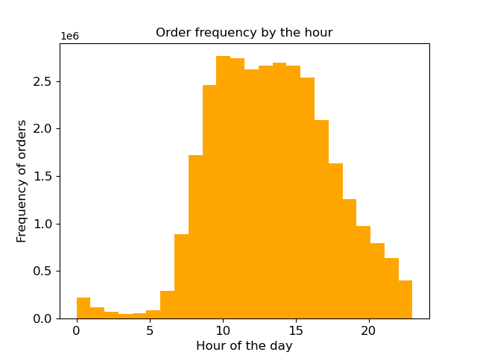
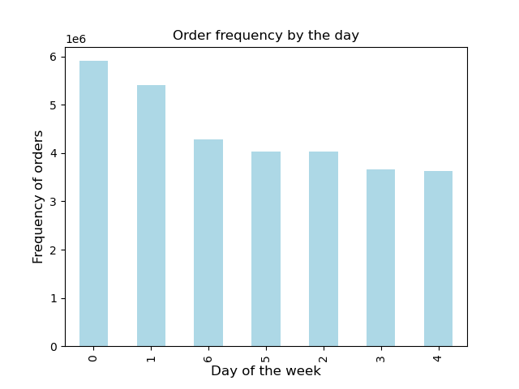

 | The amount of orders peak from 9am - 4pm. |  | This chart shows that the amount of orders is highest during the weekend.

Are there particular times of the day when people spend the most money?
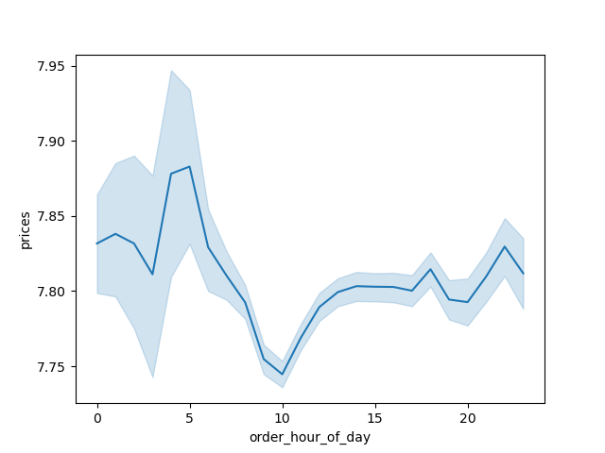

Customers tend to spend more money in the early morning hours (3-7am).

Provide a simpler price range grouping.

Low-range product: |  | price below 5
Mid-range product: |  | price between 5 and 15
High-range product: |  | price over 15

Number of products per price ranges:

Are there certain types of products that are more popular than others? Which departments have the highest frequency of product orders?

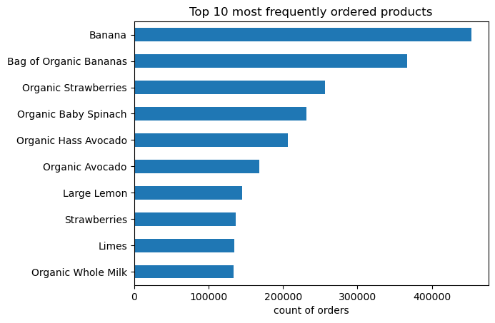

 |  |  |  | 9 out of 10 most frequently ordered products are produce.
 |  |  |  | This suggests that Instacart customers primarily use the service for ordering produce items.

 |  |  |  | 6 out of 10 are products labelled as "organic".
 |  |  |  | This suggests that customers prefer organic food over non-organic food.

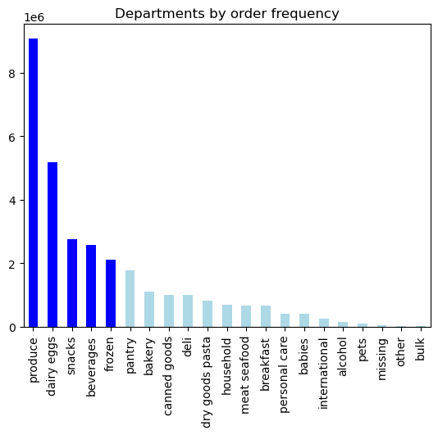

 |  |  |  | 5 strongest selling departments: produce, dairy eggs, snacks, beverages, frozen

Customer related questions:

What’s the distribution among users in regards to their brand loyalty (i.e., how often do they return to Instacart)?

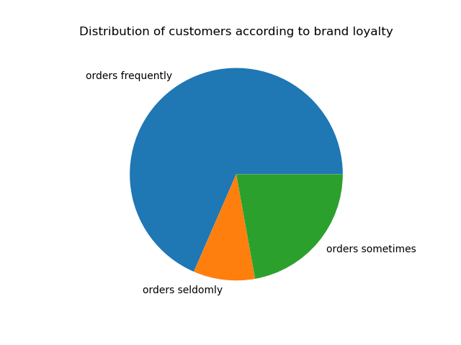

The majority of Instacart customers return to us frequently, meaning they reorder at least once every 10 days.

Are there differences in ordering habits based on a customer’s loyalty status?

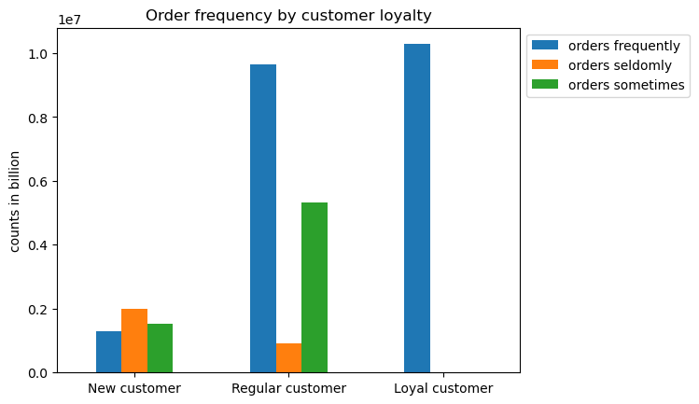

While there is barely a differentiation of order habits for new customers, one can see that the more loyal the customers are, the more frequently they order from Instacart as well.
Most of the regular customers and all of the loyal customers revisit and order again at Instacart in less than 10 days intervals.

Are there differences in ordering habits based on a customer’s region?

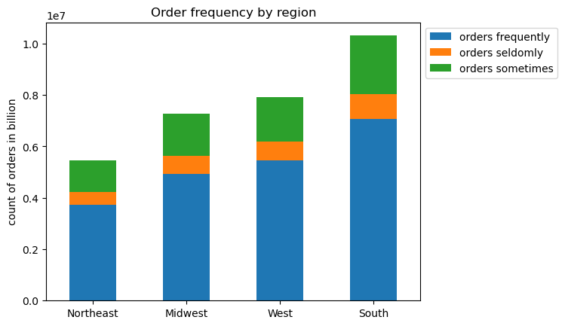

Customers from the southern region order most often, whereas customers from the northeastern region order the least compared to the other regions.
For every region, the majority of customers are those that order frequently at Instacart.

Is there a connection between age and family status in terms of ordering habits?

By dividing the age groups of our customers into: Young Adults, Adults and Senior and dividing the dependency status of the customers to either +1 or 0 (none),
I created a profile considering the age and dependency of the customers.

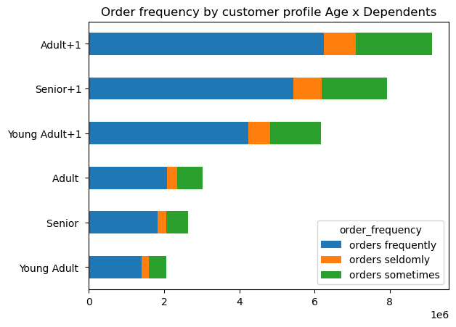

Customers of any age with dependents make up the largest amount of the returning customers.

What different classifications does the demographic information suggest? Age? Income? Certain types of goods? Family status?
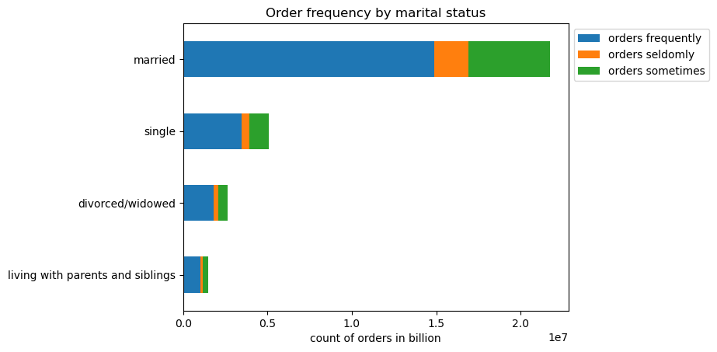

According to my previous answer, it would make sense to classify the customers into those with dependents and those without.
Those having to provide for themselves and other people would make up for more expenditures as well, regardless of marital status.

It is not recommendable to classify them by income, as that is very unlikely information provided by customers while ordering in general.
statistics of income:
 | count | 30.964.560
 | mean | 99.676
 | minimum | 25.903
 | average | 96.765
 | maximum | 593.901

One could suggest classifying customers into those preferring organic food over non-organic food.

What differences can you find in ordering habits of different customer profiles?

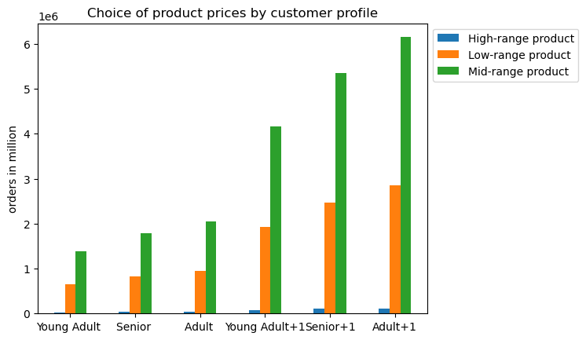

While customers with dependents will always order more frequently than those without,
both groups would order mostly mid-range priced products followed by low-range priced products.

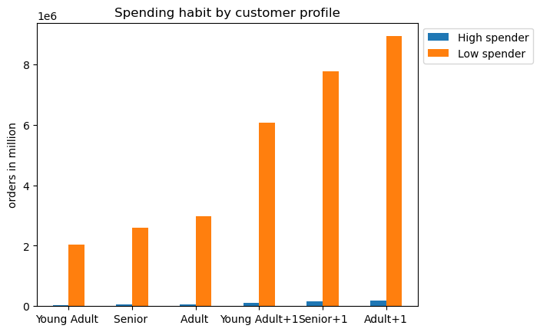

Regardless of age and dependency status, the Instacart customers prefer to spend an average of less than 10dollars per orders.

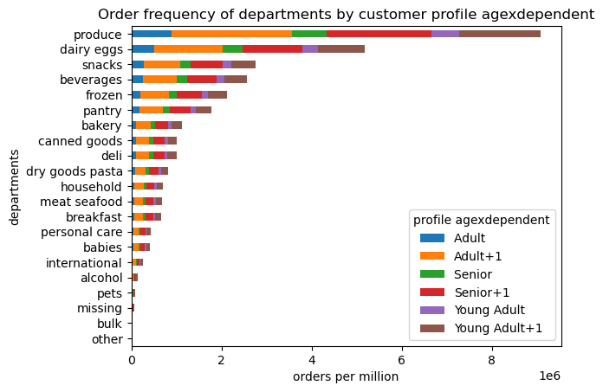

There is no clear preference of one profile for any particular departments. All customers order produce items mostly.

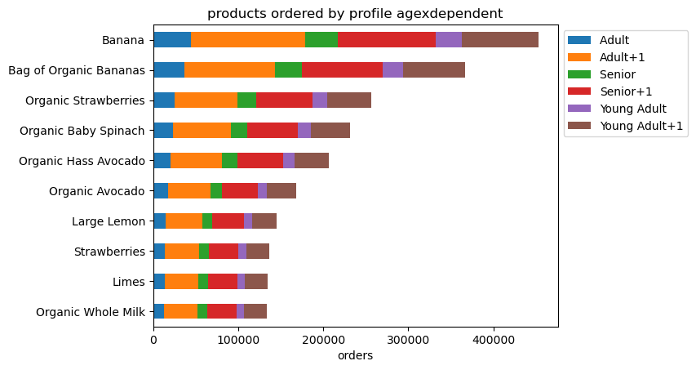

Delving deeper into the top 10 ordered products, again there does not seem to be a preference of one profile for any particular items.
All customers prefer to order organic food.

7. Recommendations
 |  |  | Title page

Recommendations

In this tab you should include any recommendations you would made to Instcart in terms of their marketing strategy based on the questions posed in the brief. Every key question has been covered in the Tasks of the Exercises - here you need to add an item - a visualisation or table/crosstable that is showing the answer in the data, acompanied by a comment from you. Please, list the questions below and add the answer underneath.

Question
Key Question 1
What are the busiest days of the week and busiest hours of the day?

The amount of orders peak from 9am - 4pm. |  | This chart shows that the amount of orders is highest during the weekend.

Recommendation:
Distribute time-restricted discounts for peak hours and for the weekend to boost sales.
Promote advertisements for any end-of-the-day-sales to increase order frequencies during the end of the day.

Key Question 2
Are there particular times of the day when people spend the most money?

Key Question 3

Customers tend to spend more money in the early morning hours (3-7am).

Recommendation:
Release special offers or limited items from 8am-12pm to boost sales.

Key Question 3
Provide a simpler price range grouping.

Low-range product: | price below 5
Mid-range product: | price between 5 and 15
High-range product: | price over 15

Number of products per price ranges:

Recommendation:
Release special offers or limited items from 8am-12pm to boost sales.

Key Question 4

Customers prefer products priced below 15$.

Recommendation:
Reduce amounts of High-range products to save on inventory space and costs.
Adjust item prices or add more products into the lower-mid priced ranges.

Key Question 4
Are there certain types of products that are more popular than others? Which departments have the highest frequency of product orders?

9 out of 10 most frequently ordered products are produce.
This suggests that Instacart customers primarily use the service for ordering produce items.

6 out of 10 are products labelled as "organic".
This suggests that customers prefer organic food over non-organic food.

5 strongest selling departments: produce, dairy eggs, snacks, beverages, frozen

Recommendation:
Increase advertisement on organic products, consider introducing sales or discount codes for them as well.
As most of the customers are ordering for dependents as well, consider targeting the children living with them with advertisements for snacks and beverages.
Introduce special events to promote sales for departments with low order frequency.

Key Question 5
What’s the distribution among users in regards to their brand loyalty (i.e., how often do they return to Instacart)?

The majority of Instacart customers return to us frequently, meaning they reorder at least once every 10 days.

Recommendation:
Reward returning customers with time-limited discounts or with points which they can use for later purchases to decrease intervals of reorders.

Key Question 6
Are there differences in ordering habits based on a customer’s loyalty status?

While there is barely a differentiation of order habits for new customers, one can see that the more loyal the customers are, the more frequently they order from Instacart as well.
Most of the regular customers and all of the loyal customers revisit and order again at Instacart in less than 10 days intervals.

Recommendation:
Target new customers with discounts to promote reorders.

Key Question 7
Are there differences in ordering habits based on a customer’s region?

Customers from the southern region order most often, whereas customers from the northeastern region order the least compared to the other regions.
For every region, the majority of customers are those that order frequently at Instacart.

Recommendation:
Adjust advertisement strategies in the Northeastern region to promote customer aquisition and boosting sales.

Key Question 8
Is there a connection between age and family status in terms of ordering habits?
By dividing the age groups of our customers into: Young Adults, Adults and Senior and dividing the dependency status of the customers to either +1 or 0 (none),
I created a profile considering the age and dependency of the customers.

Customers of any age with dependents make up the largest amount of the returning customers.

Recommendation:
Promote products related to children or dependents to secure customer group with dependents. OR promote multipack deals of any sort.

Key question 9
What different classifications does the demographic information suggest? Age? Income? Certain types of goods? Family status?

Regardless of age and dependency status, the Instacart customers prefer to spend an average of less than 10dollars per orders.

There is no clear preference of one profile for any particular departments. All customers order produce items mostly.

Recommendation:
Reducing highly priced products and promote relevant products for customers, e.g. Advertising organic milk when the customer ordered organic eggs.

